PIVOT TUBE
PIVOT TUBE

THE MICROFICHE PICTURES ARE FOR REFERENCE ONLY

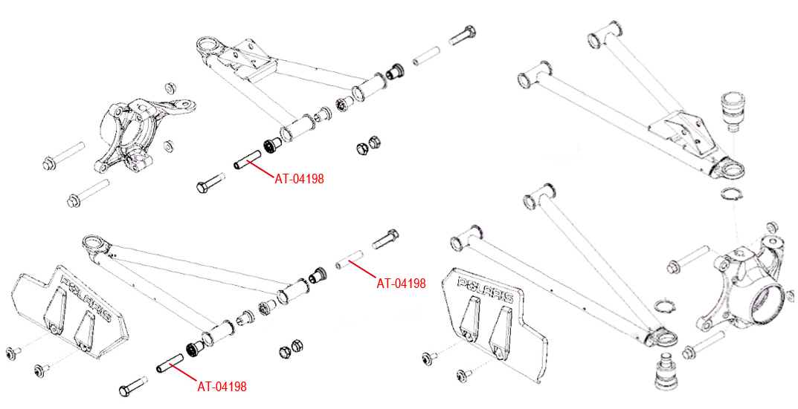

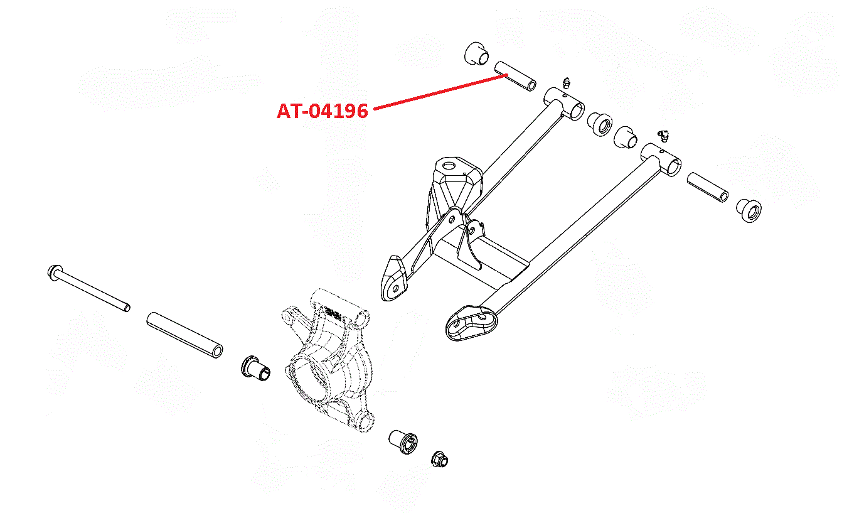

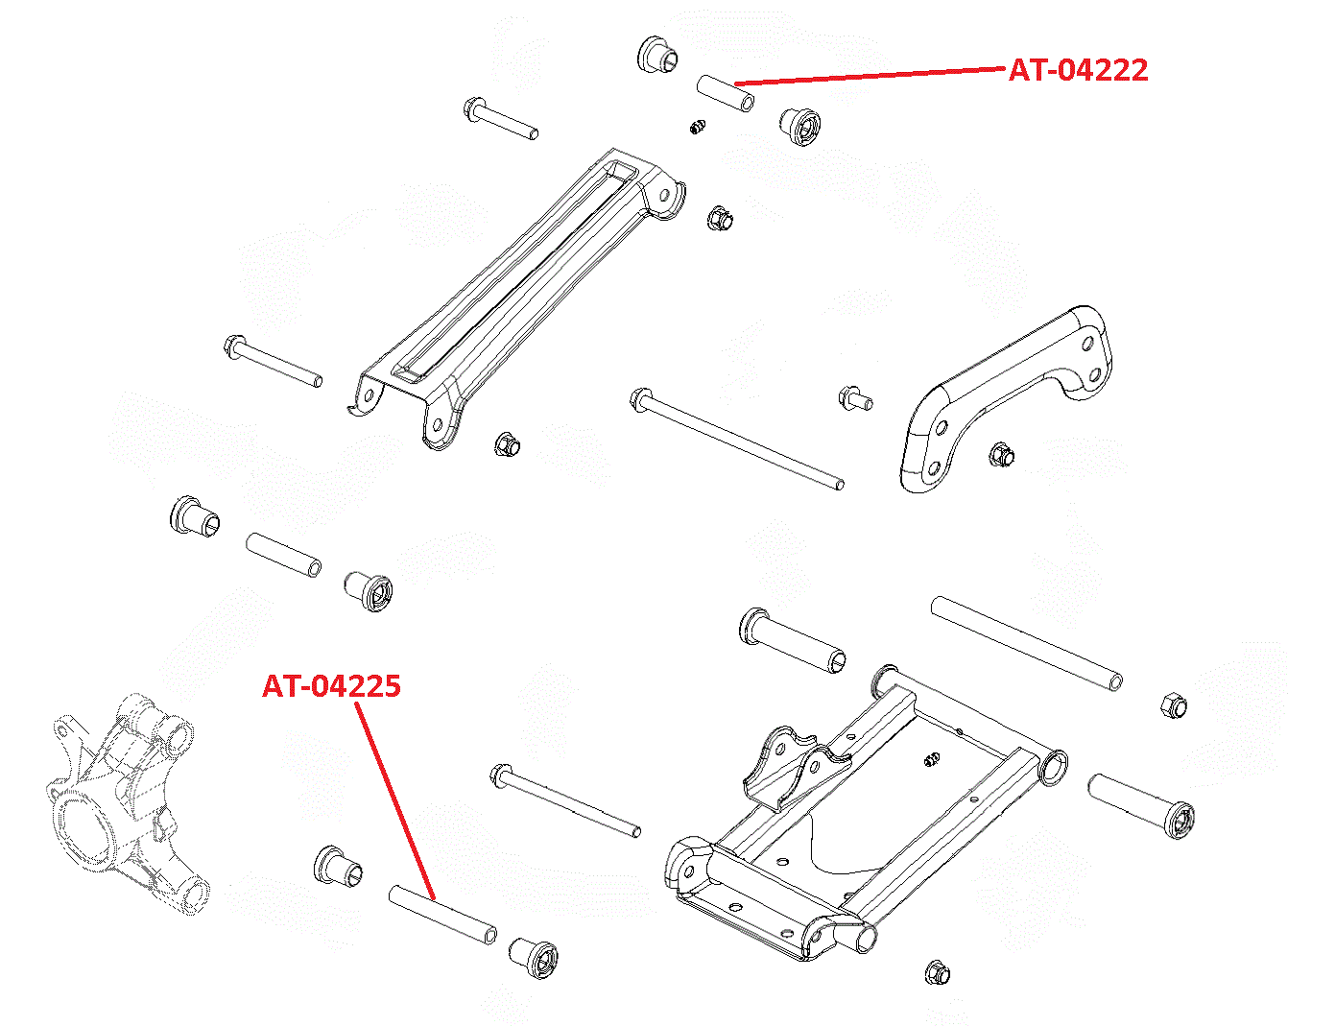

PIVOT TUBE

THE MICROFICHE PICTURES ARE FOR REFERENCE ONLY

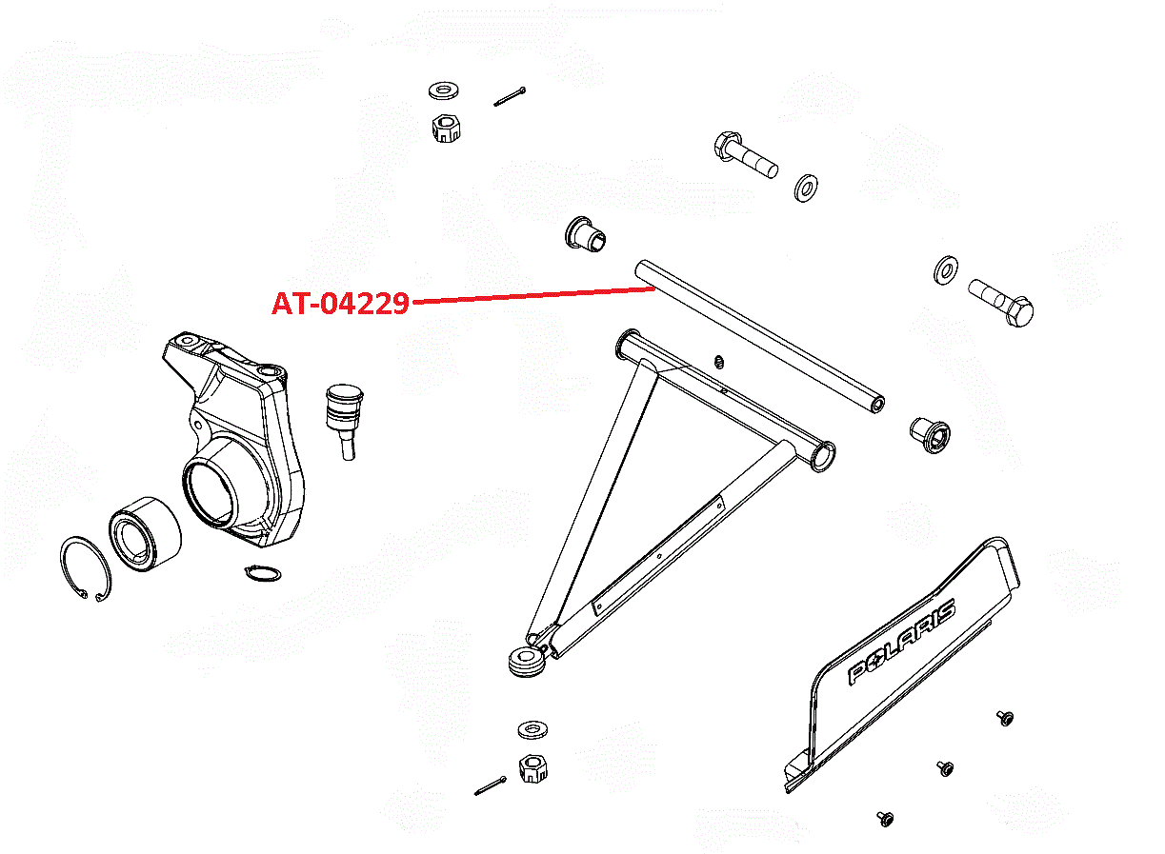

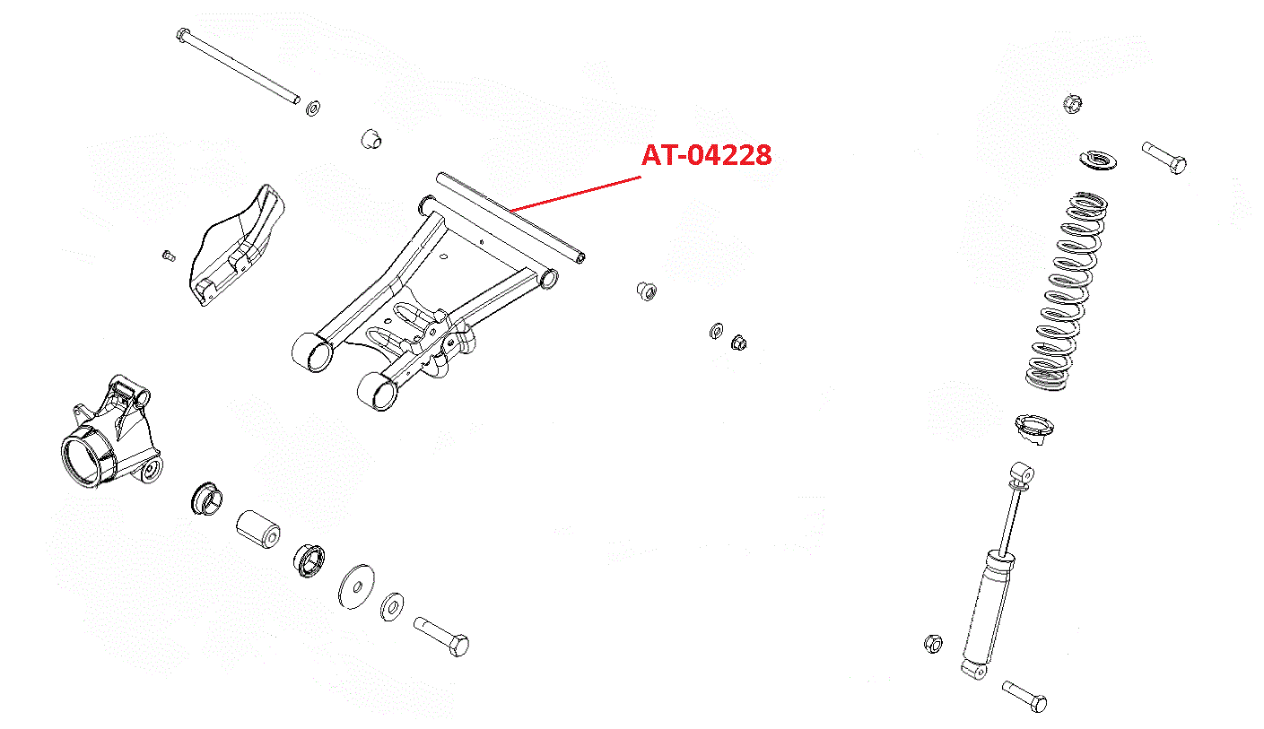

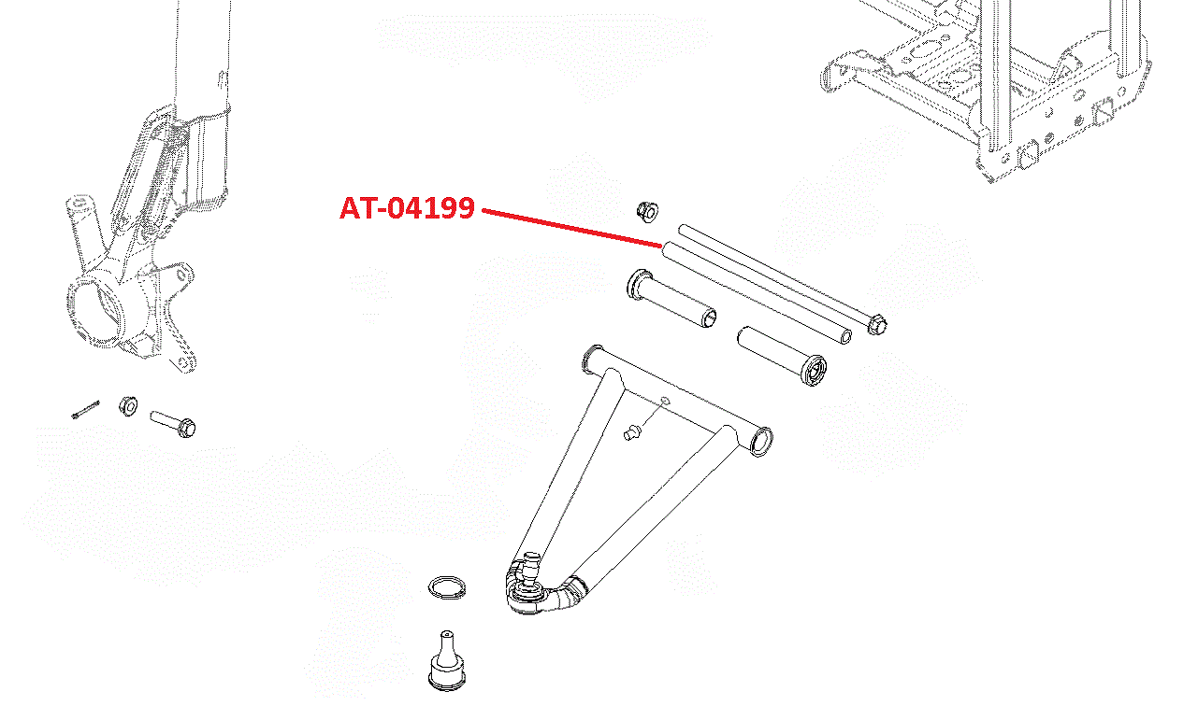

PIVOT TUBE

THE MICROFICHE PICTURES ARE FOR REFERENCE ONLY

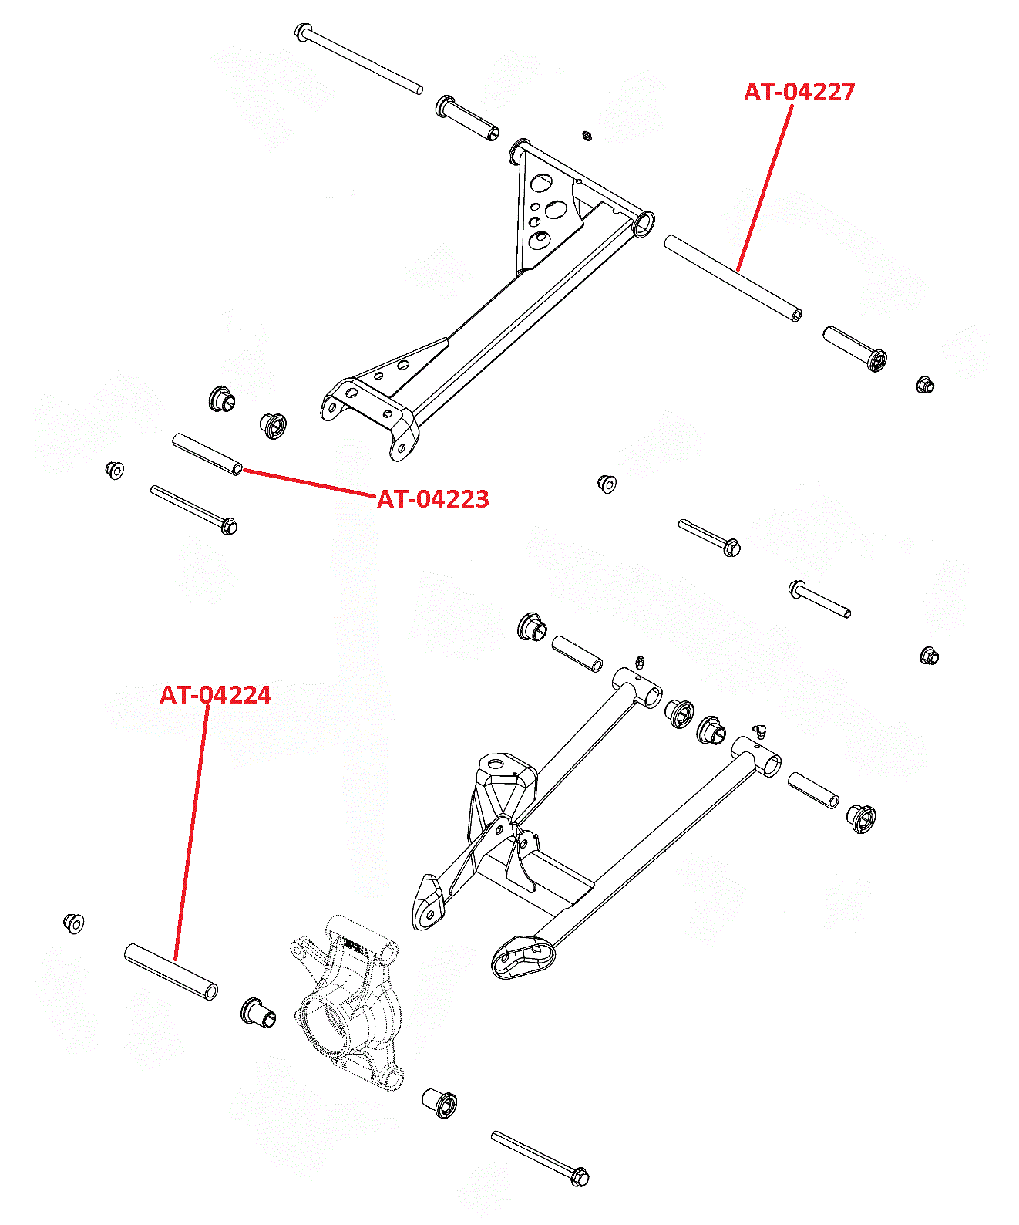

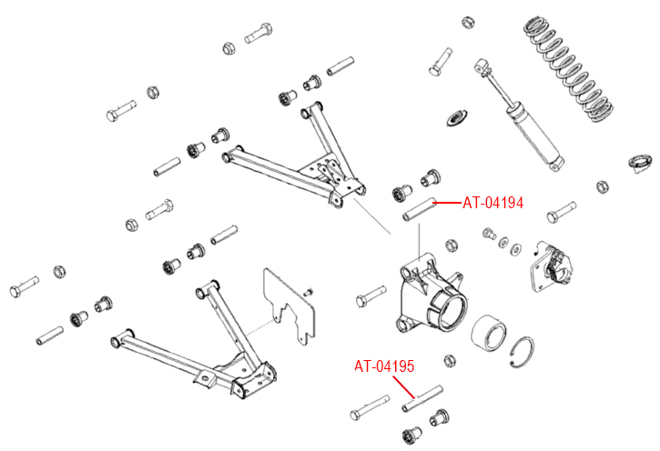

PIVOT TUBE

THE MICROFICHE PICTURES ARE FOR REFERENCE ONLY

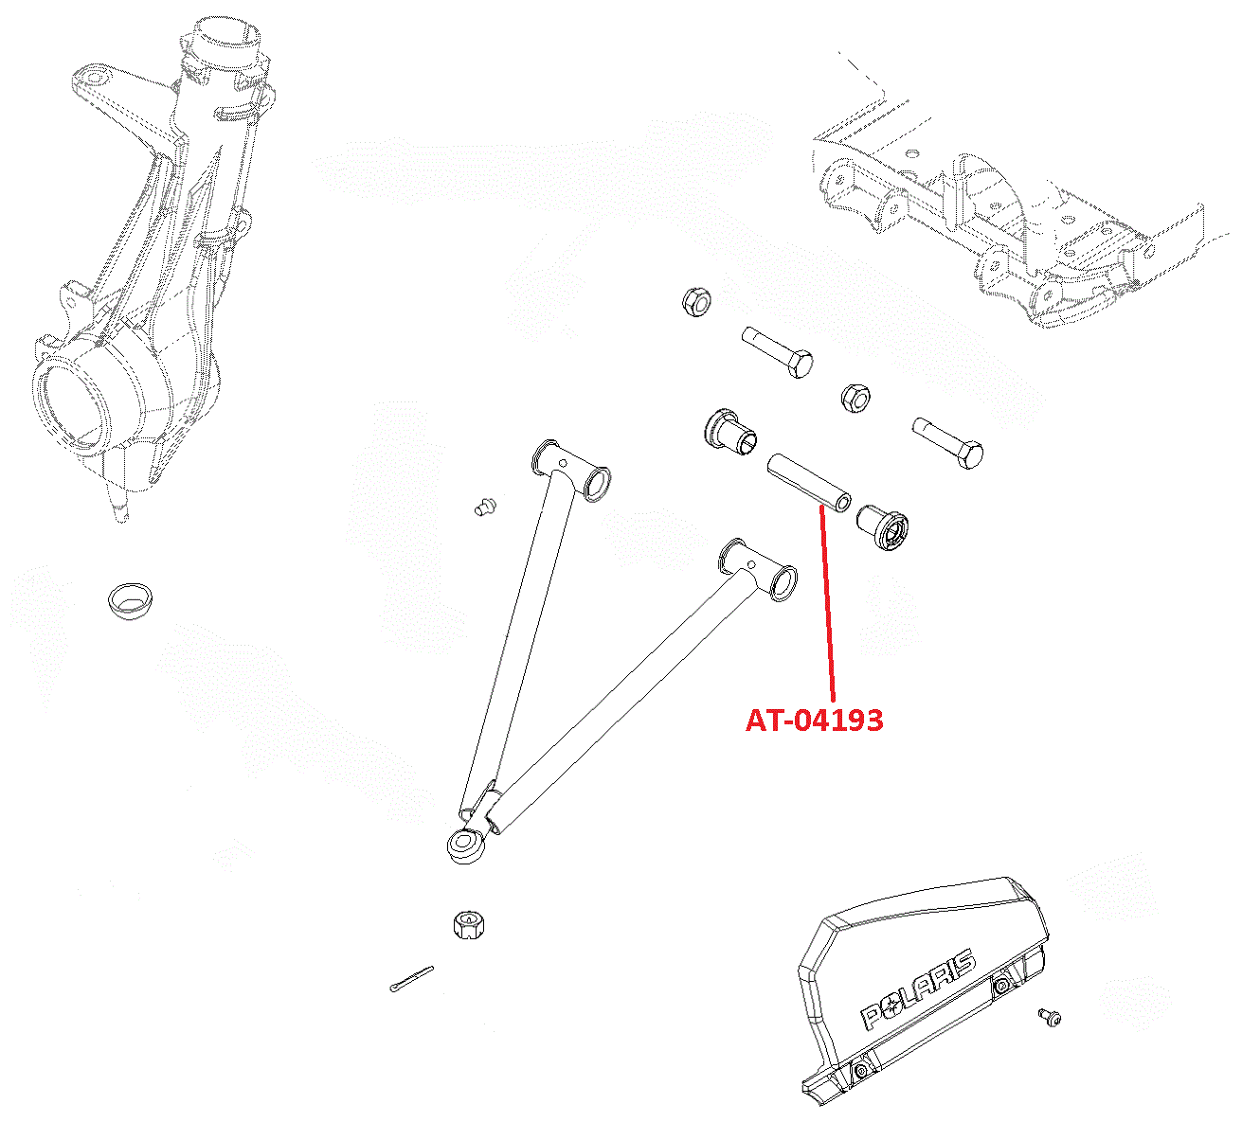

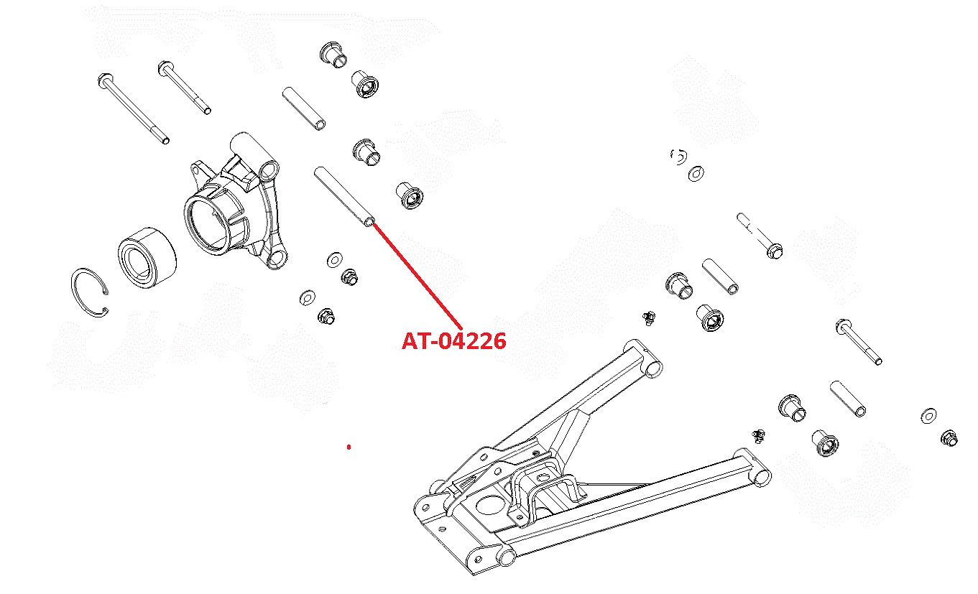

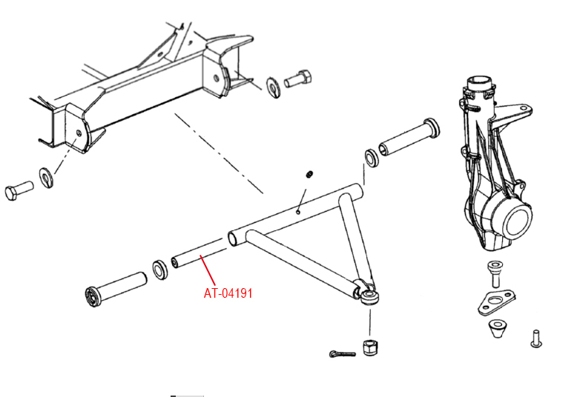

PIVOT TUBE

 |  | NI# |  | I.D. | O.D | LENGTH
 |  | AT-04176-1 |  | 10MM | 15.87 | 250.3MM
 |  | AT-04191 |  | 7/16" | 19MM | 323MM
 |  | AT-04192 |  | 8MM | 16MM | 284MM
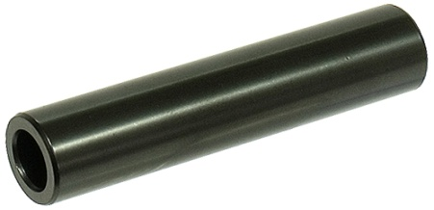
 |  | AT-04193 |  | 10MM | 16MM | 71MM
 |  | AT-04194 |  | 10MM | 16MM | 89.5MM
 |  | AT-04195 |  | 10MM | 16MM | 115MM
 |  | AT-04196 |  | 10MM | 16MM | 63.5MM
 |  | AT-04198 |  | 10MM | 16MM | 74MM
 |  | AT-04199 |  | 10MM | 16MM | 250MM
 |  | AT-04222 |  | 10MM | 16MM | 52MM
 |  | AT-04223 |  | 10MM | 16MM | 105MM
 |  | AT-04224 |  | 10MM | 19MM | 117MM
 |  | AT-04225 |  | 10MM | 16MM | 142.7MM
 |  | AT-04225 |  | 10MM | 16MM | 143MM
 |  | AT-04226 |  | 10MM | 16MM | 139MM
 |  | AT-04227 |  | 10MM | 16MM | 210.5MM
 |  | AT-04228 |  | 3/8" | 16MM | 282.5MM
 |  | AT-04229 |  | 9.5MM | 16MM | 283MM

APPLICATIONS | YEAR |  | OEM# |  |  |  | NI #
POLARIS
250 4X4/6X6 | 1993 |  | 5020681, 5020964, 5133806 |  |  |  | AT-04192
250 TRAIL BLAZER | 1997-06 |  | 5020681, 5020964, 5133806 |  |  |  | AT-04192
250 XPLORER | 2000-01 |  | 5020681, 5020964, 5133806 |  |  |  | AT-04192
300 4X4 | 1994-95 |  | 5020681, 5020964, 5133806 |  |  |  | AT-04192
300 6X6 | 1994 |  | 5020681, 5020964, 5133806 |  |  |  | AT-04192
300 EXPRESS | 1996-99 |  | 5020681, 5020964, 5133806 |  |  |  | AT-04192
300 HAWKEYE | 2006-11 |  | 5134926, 5136324 |  |  |  | AT-04199
300 HAWKEYE | 2007-11 |  | 5020826, 5135493, 5137591, 5335448 |  |  |  | AT-04198
300 HAWKEYE | 2007-11 |  | 5135495 |  |  |  | AT-04222
300 HAWKEYE | 2007-11 |  | 5135637 |  |  |  | AT-04225
300 SPORTSMAN | 2008-10 |  | 5020826, 5135493, 5137591, 5335448 |  |  |  | AT-04198
300 SPORTSMAN | 2008-10 |  | 5134926, 5136324 |  |  |  | AT-04199
300 SPORTSMAN | 2008-10 |  | 5135495 |  |  |  | AT-04222
300 SPORTSMAN | 2008-10 |  | 5135637 |  |  |  | AT-04225
300 XPLORER | 1996-99 |  | 5020681, 5020964, 5133806 |  |  |  | AT-04192
325 HAWKEYE | 2015 |  | 5020826, 5135493, 5137591, 5335448 |  |  |  | AT-04198
325 HAWKEYE | 2015 |  | 5137562 |  |  |  | AT-04228
325 HAWKEYE | 2015 |  | 5020681, 5020964, 5133806 |  |  |  | AT-04192
325 MAGNUM 2X4/4X4 | 2000-02 |  | 5020681, 5020964, 5133806 |  |  |  | AT-04192
325 MAGNUM HDS 2X4/4X4 | 2000-02 |  | 5020681, 5020964, 5133806 |  |  |  | AT-04192
325 SPORTSMAN | 2015 |  | 5020826, 5135493, 5137591, 5335448 |  |  |  | AT-04198
325 SPORTSMAN | 2015 |  | 5137562 |  |  |  | AT-04228
325 SPORTSMAN ETX | 2015 |  | 5020681, 5020964, 5133806 |  |  |  | AT-04192
325 TRAIL BOSS | 2000-02 |  | 5020681, 5020964, 5133806 |  |  |  | AT-04192
325 XPEDITION | 2000-02 |  | 5020681, 5020964, 5133806 |  |  |  | AT-04192
330 ATP | 2004-05 |  | 5020681, 5020964, 5133806 |  |  |  | AT-04192
330 MAGNUM | 2003-06 |  | 5020681, 5020964, 5133806 |  |  |  | AT-04192
330 TRAIL BLAZER | 2008-13 |  | 5020681, 5020964, 5133806 |  |  |  | AT-04192
330 TRAIL BOSS | 2005-13 |  | 5020681, 5020964, 5133806 |  |  |  | AT-04192
335 SPORTSMAN | 1999-00 |  | 5020826, 5135493, 5137591, 5335448 |  |  |  | AT-04198
335 SPORTSMAN | 1999-00 |  | 5020681, 5020964, 5133806 |  |  |  | AT-04192
335 WORKER | 1999 |  | 5020826, 5135493, 5137591, 5335448 |  |  |  | AT-04198
335 WORKER | 1999 |  | 5020681, 5020964, 5133806 |  |  |  | AT-04192
400 HAWKEYE HO | 2011-14 |  | 5020826, 5135493, 5137591, 5335448 |  |  |  | AT-04198
400 HAWKEYE HO | 2011-14 |  | 5137562 |  |  |  | AT-04228
400 HAWKEYE HO | 2011-14 |  | 5020681, 5020964, 5133806 |  |  |  | AT-04192
400 SCRAMBLER | 1995-96 |  | 5020681, 5020964, 5133806 |  |  |  | AT-04192
400 SCRAMBLER | 1998-02 |  | 5020681, 5020964, 5133806 |  |  |  | AT-04192
400 SPORTSMAN | 2001-04 |  | 5020826, 5135493, 5137591, 5335448 |  |  |  | AT-04198
400 SPORTSMAN | 2001-05 |  | 5020681, 5020964, 5133806 |  |  |  | AT-04192

PIVOT TUBE

APPLICATIONS | YEAR |  | OEM# |  |  |  | NI #
POLARIS
400 SPORTSMAN HO | 2008-10 |  | 5135637 |  |  |  | AT-04225
400 SPORTSMAN HO | 2008-10 |  | 5020826, 5135493, 5137591, 5335448 |  |  |  | AT-04198
400 SPORTSMAN HO | 2008-10 |  | 5134926, 5136324 |  |  |  | AT-04199
400 SPORTSMAN HO | 2008-10 |  | 5135495 |  |  |  | AT-04222
400 SPORTSMAN HO | 2011-14 |  | 5020826, 5135493, 5137591, 5335448 |  |  |  | AT-04198
400 SPORTSMAN HO | 2011-14 |  | 5137562 |  |  |  | AT-04228
400 SPORTSMAN HO | 2011-14 |  | 5020681, 5020964, 5133806 |  |  |  | AT-04192
400 TRAIL BLAZER | 2003 |  | 5020681, 5020964, 5133806 |  |  |  | AT-04192
400 XPLORER | 1999-02 |  | 5020681, 5020964, 5133806 |  |  |  | AT-04192
400 XPRESS | 1996-97 |  | 5020681, 5020964, 5133806 |  |  |  | AT-04192
400L 4X4 | 1994 |  | 5020681, 5020964, 5133806 |  |  |  | AT-04192
400L BIG BOSS 6X6 | 1994-97 |  | 5020681, 5020964, 5133806 |  |  |  | AT-04192
400L SCRAMBLER | 1997 |  | 5020681, 5020964, 5133806 |  |  |  | AT-04192
400L SPORT | 1996-98 |  | 5020681, 5020964, 5133806 |  |  |  | AT-04192
400L SPORTSMAN | 1997 |  | 5020681, 5020964, 5133806 |  |  |  | AT-04192
400L XPLORER | 1996-98 |  | 5020681, 5020964, 5133806 |  |  |  | AT-04192
425 MAGNUM 4X4 | 1995-98 |  | 5020681, 5020964, 5133806 |  |  |  | AT-04192
425 MAGNUM 6X6 | 1996-97 |  | 5020681, 5020964, 5133806 |  |  |  | AT-04192
425 XPEDITION | 2000-02 |  | 5020681, 5020964, 5133806 |  |  |  | AT-04192
450 OUTLAW | 2008-10 |  | 5135270, 5137346 |  |  |  | AT-04196
450 SPORTSMAN | 2016 |  | 5020826, 5135493, 5137591, 5335448 |  |  |  | AT-04198
450 SPORTSMAN | 2006-07 |  | 5020826, 5135493, 5137591, 5335448 |  |  |  | AT-04198
450 SPORTSMAN | 2006-07 |  | 5020681, 5020964, 5133806 |  |  |  | AT-04192
450 SPORTSMAN HD | 2018 |  | 5139929 |  |  |  | AT-04229
450 SPORTSMAN HO | 2016-20 |  | 5139929 |  |  |  | AT-04229
450 SPORTSMAN HO | 2016-20 |  | 5020826, 5135493, 5137591, 5335448 |  |  |  | AT-04198
455 DIESEL | 1999 |  | 5020681, 5020964, 5133806 |  |  |  | AT-04192
455 SPORTSMAN DIESEL | 1999-01 |  | 5020826, 5135493, 5137591, 5335448 |  |  |  | AT-04198
500 ATP | 2005 |  | 5020681, 5020964, 5133806 |  |  |  | AT-04192
500 ATV PRO | 2002 |  | 5020681, 5020964, 5133806 |  |  |  | AT-04192
500 BIG BOSS 6X6 | 1998-99 |  | 5020681, 5020964, 5133806 |  |  |  | AT-04192
500 MAGNUM | 1999-02 |  | 5020681, 5020964, 5133806 |  |  |  | AT-04192
500 MAGNUM HDS | 2000-02 |  | 5020681, 5020964, 5133806 |  |  |  | AT-04192
500 OUTLAW | 2006-07 |  | 5135270, 5137346 |  |  |  | AT-04196
500 PREDATOR | 2007 |  | 5135270, 5137346 |  |  |  | AT-04196
500 SCRAMBLER | 1997-12 |  | 5020681, 5020964, 5133806 |  |  |  | AT-04192
500 SPORTSMAN | 1996-14 |  | 5020826, 5135493, 5137591, 5335448 |  |  |  | AT-04198
500 SPORTSMAN | 2011-13 |  | 5137562 |  |  |  | AT-04228
500 SPORTSMAN FOREST TRACTOR | 2011-14 |  | 5137562 |  |  |  | AT-04228
500 SPORTSMAN 6X6 | 2000-08 |  | 5020681, 5020964, 5133806 |  |  |  | AT-04192
500 SPORTSMAN ALL | 1996-14 |  | 5020681, 5020964, 5133806 |  |  |  | AT-04192
500 SPORTSMAN FOREST | 2011-13 |  | 5137562 |  |  |  | AT-04228
500 SPORTSMAN TOURING | 2008-13 |  | 5134882, 5136100, 5138797 |  |  |  | AT-04193
500 SPORTSMAN X2 | 2006-09 |  | 5134882, 5136100, 5138797 |  |  |  | AT-04193
500 WORKER | 1999 |  | 5020826, 5135493, 5137591, 5335448 |  |  |  | AT-04198
500 WORKER | 1999 |  | 5020681, 5020964, 5133806 |  |  |  | AT-04192
500 WORKER | 2001 |  | 5020826, 5135493, 5137591, 5335448 |  |  |  | AT-04198
500 WORKER | 2001 |  | 5020681, 5020964, 5133806 |  |  |  | AT-04192
500 XPLORER | 1997 |  | 5020681, 5020964, 5133806 |  |  |  | AT-04192
500 XPLORER | 1997 |  | 5020826, 5135493, 5137591, 5335448 |  |  |  | AT-04198
525 OUTLAW | 2007-11 |  | 5135270, 5137346 |  |  |  | AT-04196
550 SPORTSMAN | 2009-14 |  | 5135270, 5137346 |  |  |  | AT-04196
550 SPORTSMAN | 2009-14 |  | 5136473 |  |  |  | AT-04224
550 SPORTSMAN | 2011-14 |  | 5137590 |  |  |  | AT-04223
550 SPORTSMAN | 2011-14 |  | 5137594 |  |  |  | AT-04227
570 SPORTSMAN | 2014-15 |  | 5137562 |  |  |  | AT-04228
570 SPORTSMAN | 2014-20 |  | 5020826, 5135493, 5137591, 5335448 |  |  |  | AT-04198
570 SPORTSMAN | 2016-22 |  | 5139929 |  |  |  | AT-04229
570 SPORTSMAN 6X6 | 2017-23 |  | 5137562 |  |  |  | AT-04228
570 SPORTSMAN 6X6 EPS LE | 2023 |  | 5139929 |  |  |  | AT-04229
570 SPORTSMAN ALL | 2014-15 |  | 5020681, 5020964, 5133806 |  |  |  | AT-04192

PIVOT TUBE

APPLICATIONS | YEAR |  | OEM# |  |  |  | NI #
POLARIS
570 SPORTSMAN SP | 2015-20 |  | 5135270, 5137346 |  |  |  | AT-04196
570 SPORTSMAN TOURING | 2014-15 |  | 5137562 |  |  |  | AT-04228
570 SPORTSMAN TOURING | 2016-23 |  | 5139929 |  |  |  | AT-04229
600 SPORTSMAN | 2003-05 |  | 5020681, 5020964, 5133806 |  |  |  | AT-04192
600 SPORTSMAN | 2003-05 |  | 5020826, 5135493, 5137591, 5335448 |  |  |  | AT-04198
700 SPORTSMAN | 2002-07 |  | 5020681, 5020964, 5133806 |  |  |  | AT-04192
700 SPORTSMAN | 2002-07 |  | 5020826, 5135493, 5137591, 5335448 |  |  |  | AT-04198
700 SPORTSMAN MILITARY | 2007 |  | 5020826, 5135493, 5137591, 5335448 |  |  |  | AT-04198
700 SPORTSMAN MILITARY | 2010 |  | 5020826, 5135493, 5137591, 5335448 |  |  |  | AT-04198
700 SPORTSMAN MILITARY | 2004-05 |  | 5020826, 5135493, 5137591, 5335448 |  |  |  | AT-04198
700 SPORTSMAN X2 | 2008 |  | 5134882, 5136100, 5138797 |  |  |  | AT-04193
800 SPORTSMAN | 2005-15 |  | 5020826, 5135493, 5137591, 5335448 |  |  |  | AT-04198
800 SPORTSMAN | 2011-14 |  | 5137562 |  |  |  | AT-04228
800 SPORTSMAN | 2004-14 |  | 5020681, 5020964, 5133806 |  |  |  | AT-04192
800 SPORTSMAN 6X6 | 2009-14 |  | 5020681, 5020964, 5133806 |  |  |  | AT-04192
800 SPORTSMAN FOREST | 2012-13 |  | 5137562 |  |  |  | AT-04228
800 SPORTSMAN MILITARY | 2012 |  | 5020826, 5135493, 5137591, 5335448 |  |  |  | AT-04198
800 SPORTSMAN MILITARY | 2015-16 |  | 5020826, 5135493, 5137591, 5335448 |  |  |  | AT-04198
800 SPORTSMAN TOURING | 2008-09 |  | 5134882, 5136100, 5138797 |  |  |  | AT-04193
800 SPORTSMAN X2 | 2007-09 |  | 5134882, 5136100, 5138797 |  |  |  | AT-04193
850 SCRAMBLER | 2013-23 |  | 5135270, 5137346 |  |  |  | AT-04196
850 SCRAMBLER | 2013-23 |  | 5137590 |  |  |  | AT-04223
850 SCRAMBLER | 2013-23 |  | 5136473 |  |  |  | AT-04224
850 SCRAMBLER | 2013-23 |  | 5137594 |  |  |  | AT-04227
850 SPORTSMAN | 2009-23 |  | 5135270, 5137346 |  |  |  | AT-04196
850 SPORTSMAN | 2009-23 |  | 5136473 |  |  |  | AT-04224
850 SPORTSMAN | 2011-23 |  | 5137590 |  |  |  | AT-04223
850 SPORTSMAN | 2011-23 |  | 5137594 |  |  |  | AT-04227
1000 SCRAMBLER | 2013-23 |  | 5135270, 5137346 |  |  |  | AT-04196
1000 SCRAMBLER | 2013-23 |  | 5137590 |  |  |  | AT-04223
1000 SCRAMBLER | 2013-23 |  | 5136473 |  |  |  | AT-04224
1000 SCRAMBLER | 2013-23 |  | 5137594 |  |  |  | AT-04227
1000 SPORTSMAN | 2015-21 |  | 5135270, 5137346 |  |  |  | AT-04196
1000 SPORTSMAN | 2015-23 |  | 5137590 |  |  |  | AT-04223
1000 SPORTSMAN | 2015-23 |  | 5136473 |  |  |  | AT-04224
1000 SPORTSMAN | 2015-21 |  | 5137594 |  |  |  | AT-04227
UTV
RANGER 325 | 2015-16 |  | 5134882, 5136100, 5138797 |  |  |  | AT-04193
RANGER 325 | 2015-16 |  | 5136580, 5137592, 5138794 |  |  |  | AT-04194
RANGER 325 | 2015-16 |  | 5138796 |  |  |  | AT-04226
ACE 325 | 2016 |  | 5138796 |  |  |  | AT-04226
ACE 325 | 2016 |  | 5139929 |  |  |  | AT-04229
ACE 325 | 2014-15 |  | 5020681, 5020964, 5133806 |  |  |  | AT-04192
ACE 325 | 2015-16 |  | 5134882, 5136100, 5138797 |  |  |  | AT-04193
ACE 325 | 2015-16 |  | 5136580, 5137592, 5138794 |  |  |  | AT-04194
RANGER 400 | 2014 |  | 5134882, 5136100, 5138797 |  |  |  | AT-04193
RANGER 400 | 2010-14 |  | 5136580, 5137592, 5138794 |  |  |  | AT-04194
RANGER 400 | 2010-14 |  | 5136581, 5137593 |  |  |  | AT-04195
RANGER 400 | 2012-14 |  | 5020826, 5135493, 5137591, 5335448 |  |  |  | AT-04198
RANGER 425 SERIES 10 | 2012-14 |  | 5132533, 5133676 |  |  |  | AT-04191
RANGER 425 SERIES 11 | 2012-14 |  | 5132533, 5133676 |  |  |  | AT-04191
UTV 425 | SERIES 10 |  | 5132533, 5133676 |  |  |  | AT-04191
UTV 425 | SERIES 11 |  | 5132533, 5133676 |  |  |  | AT-04191
ACE 500 | 2017 |  | 5134882, 5136100, 5138797 |  |  |  | AT-04193
ACE 500 | 2017-19 |  | 5136580, 5137592, 5138794 |  |  |  | AT-04194
ACE 500 | 2017-19 |  | 5138796 |  |  |  | AT-04226
ACE 500 | 2017-18 |  | 5139929 |  |  |  | AT-04229
ACE 570 | 2015 |  | 5020681, 5020964, 5133806 |  |  |  | AT-04192
RANGER 500 | 1999 |  | 5020681, 5020964, 5133806 |  |  |  | AT-04192
RANGER 500 | 2009-13 |  | 5136580, 5137592, 5138794 |  |  |  | AT-04194
RANGER 500 | 2009-13 |  | 5136581, 5137593 |  |  |  | AT-04195

PIVOT TUBE

APPLICATIONS | YEAR |  | OEM# |  |  |  | NI #
POLARIS
UTV
RANGER 500 2X4/4X4/6X6 | 2004-05 |  | 5132533, 5133676 |  |  |  | AT-04191
RANGER 500 2X4/4X4/6X6 | 2004-05 |  | 5132533, 5133676 |  |  |  | AT-04191
RANGER 500 2X4/4X4/6X6 | 2004-05 |  | 5132533, 5133676 |  |  |  | AT-04191
RANGER 500 2WD HDPE | 2017-19 |  | 5134882, 5136100, 5138797 |  |  |  | AT-04193
RANGER 500 2WD HDPE | 2017-23 |  | 5138796 |  |  |  | AT-04226
UTV500 | 2002-03 |  | 5132533, 5133676 |  |  |  | AT-04191
ACE 570 EFI | 2016-19 |  | 5138796 |  |  |  | AT-04226
ACE 570 EFI | 2016-18 |  | 5139929 |  |  |  | AT-04229
ACE 570 EFI | 2016-19 |  | 5136580, 5137592, 5138794 |  |  |  | AT-04194
ACE 570 EFI | 2015-17 |  | 5134882, 5136100, 5138797 |  |  |  | AT-04193
RANGER 570 | 2014-17 |  | 5134882, 5136100, 5138797 |  |  |  | AT-04193
RANGER 570 | 2014-23 |  | 5136580, 5137592, 5138794 |  |  |  | AT-04194
RANGER 570 | 2014-23 |  | 5138796 |  |  |  | AT-04226
RANGER 570 EFI FULL SIZE CREW | 2015 |  | 5137104, 5138791 |  |  |  | AT-04176-1
RANGER 570 FULL SIZE | 2015-16 |  | 5137104, 5138791 |  |  |  | AT-04176-1
RZR 570 | 2012-21 |  | 5137104, 5138791 |  |  |  | AT-04176-1
RZR 570 | 2012-20 |  | 5134882, 5136100, 5138797 |  |  |  | AT-04193
RZR 570 | 2014-22 |  | 5136580, 5137592, 5138794 |  |  |  | AT-04194
RZR 570 | 2014-22 |  | 5138796 |  |  |  | AT-04226
RANGER TM 650 | 2004-06 |  | 5132533, 5133676 |  |  |  | AT-04191
MVRS 700 | 2010 |  | 5136580, 5137592, 5138794 |  |  |  | AT-04194
MVRS 700 | 2010 |  | 5136581, 5137593 |  |  |  | AT-04195
RANGER 700 | 2009 |  | 5136580, 5137592, 5138794 |  |  |  | AT-04194
RANGER 700 | 2009 |  | 5136581, 5137593 |  |  |  | AT-04195
RANGER 700 | 2005-08 |  | 5020826, 5135493, 5137591, 5335448 |  |  |  | AT-04198
RANGER 700 MILITARY | 2008 |  | 5020826, 5135493, 5137591, 5335448 |  |  |  | AT-04198
RANGER 700 MILITARY | 2008 |  | 5020826, 5135493, 5137591, 5335448 |  |  |  | AT-04198
RANGER 800 | 2014 |  | 5134882, 5136100, 5138797 |  |  |  | AT-04193
RANGER 800 | 2010-14 |  | 5136580, 5137592, 5138794 |  |  |  | AT-04194
RANGER 800 | 2010-14 |  | 5136581, 5137593 |  |  |  | AT-04195
RANGER 800 | 2011-16 |  | 5020826, 5135493, 5137591, 5335448 |  |  |  | AT-04198
RANGER 800 6X6 | 2010-16 |  | 5136581, 5137593 |  |  |  | AT-04195
RANGER 800 6X6 | 2012-16 |  | 5136580, 5137592, 5138794 |  |  |  | AT-04194
RANGER 800 6X6 | 2014-17 |  | 5020826, 5135493, 5137591, 5335448 |  |  |  | AT-04198
RANGER 800 MILITARY | 2008 |  | 5020826, 5135493, 5137591, 5335448 |  |  |  | AT-04198
RANGER 800 MILITARY | 2011 |  | 5020826, 5135493, 5137591, 5335448 |  |  |  | AT-04198
RANGER 800 MILITARY | 2010-11 |  | 5136580, 5137592, 5138794 |  |  |  | AT-04194
RZR 4 800 | 2010-14 |  | 5137104, 5138791 |  |  |  | AT-04176-1
RZR 800 | 2008-10 |  | 5134926, 5136324 |  |  |  | AT-04199
RZR 800 | 2008-14 |  | 5134882, 5136100, 5138797 |  |  |  | AT-04193
RZR 800 | 2011-14 |  | 5137594 |  |  |  | AT-04227
RZR 800 | 2010-14 |  | 5137104, 5138791 |  |  |  | AT-04176-1
RZR 800 S | 2009 |  | 5134926, 5136324 |  |  |  | AT-04199
RZR S 800 | 2010-14 |  | 5137104, 5138791 |  |  |  | AT-04176-1
ACE 900 | 2016-19 |  | 5138796 |  |  |  | AT-04226
ACE 900 | 2016 |  | 5139929 |  |  |  | AT-04229
ACE 900 | 2016-17 |  | 5134882, 5136100, 5138797 |  |  |  | AT-04193
ACE 900 | 2016-19 |  | 5136580, 5137592, 5138794 |  |  |  | AT-04194
ACE 900 EPS | 2016-18 |  | 5136580, 5137592, 5138794 |  |  |  | AT-04194
RANGER 900 | 2013-17 |  | 5134882, 5136100, 5138797 |  |  |  | AT-04193
RANGER 900 | 2013-19 |  | 5136580, 5137592, 5138794 |  |  |  | AT-04194
RANGER 900 | 2014-17 |  | 5138796 |  |  |  | AT-04226
RANGER 900 DIESEL | 2011-14 |  | 5136580, 5137592, 5138794 |  |  |  | AT-04194
RANGER 900 DIESEL | 2011-14 |  | 5136581, 5137593 |  |  |  | AT-04195
RANGER 900 DIESEL | 2011-14 |  | 5020826, 5135493, 5137591, 5335448 |  |  |  | AT-04198
RANGER 900 DIESEL MILITARY | 2011-14 |  | 5136580, 5137592, 5138794 |  |  |  | AT-04194
RANGER 900 DIESEL MILITARY | 2011-14 |  | 5136581, 5137593 |  |  |  | AT-04195
RANGER 900 XP | 2015-19 |  | 5138796 |  |  |  | AT-04226
RANGER 900 XP ALL OPTIONS | 2013-19 |  | 5137104, 5138791 |  |  |  | AT-04176-1
RANGER CREW 900 | 2014-17 |  | 5137104, 5138791 |  |  |  | AT-04176-1

PIVOT TUBE

APPLICATIONS | YEAR |  | OEM# |  |  |  | NI #
POLARIS
UTV
RZR 4 900 | 2014 |  | 5137104, 5138791 |  |  |  | AT-04176-1
RZR 4 XP 900 | 2012-13 |  | 5137104, 5138791 |  |  |  | AT-04176-1
RZR 900 | 2014 |  | 5137104, 5138791 |  |  |  | AT-04176-1
RZR 900 | 2015 |  | 5136580, 5137592, 5138794 |  |  |  | AT-04194
RZR 900 | 2011-16 |  | 5134882, 5136100, 5138797 |  |  |  | AT-04193
RZR 900 MILITARY | 2014-16 |  | 5134882, 5136100, 5138797 |  |  |  | AT-04193
RZR XP 900 | 2011-13 |  | 5137104, 5138791 |  |  |  | AT-04176-1
RANGER 1000 | 2017 |  | 5134882, 5136100, 5138797 |  |  |  | AT-04193
RANGER 1000 | 2017 |  | 5136580, 5137592, 5138794 |  |  |  | AT-04194
RANGER 1000 | 2017 |  | 5138796 |  |  |  | AT-04226
RANGER 1000 DIESEL | 2015 |  | 5020826, 5135493, 5137591, 5335448 |  |  |  | AT-04198
RANGER 1000 DIESEL | 2014-18 |  | 5136580, 5137592, 5138794 |  |  |  | AT-04194
RANGER 1000 DIESEL | 2015-17 |  | 5134882, 5136100, 5138797 |  |  |  | AT-04193
RANGER 1000 DIESEL | 2015-18 |  | 5138796 |  |  |  | AT-04226
RANGER 1000 DIESEL | 2015-18 |  | 5137104, 5138791 |  |  |  | AT-04176-1
RANGER 1000 DIESEL CREW | 2015-18 |  | 5137104, 5138791 |  |  |  | AT-04176-1
RANGER 1000 DIESEL EU | 2015-16 |  | 5137104, 5138791 |  |  |  | AT-04176-1
RANGER 1000 DIESEL POLAND | 2017 |  | 5137104, 5138791 |  |  |  | AT-04176-1
RANGER 1000 XP | 2017 |  | 5137104, 5138791 |  |  |  | AT-04176-1
RANGER CREW 1000 | 2017-18 |  | 5138796 |  |  |  | AT-04226
RANGER CREW 1000 | 2018 |  | 5136580, 5137592, 5138794 |  |  |  | AT-04194
RANGER CREW 1000XP 6P,PS,NB,MD | 2017-18 |  | 5137104, 5138791 |  |  |  | AT-04176-1
RZR 1000 | 2014-16 |  | 5134882, 5136100, 5138797 |  |  |  | AT-04193
RZR 1000 TURBO | 2016 |  | 5134882, 5136100, 5138797 |  |  |  | AT-04193
GEM EM1400 | 2014-16 |  | 5134882, 5136100, 5138797 |  |  |  | AT-04193
GEM EM1400 | 2014-18 |  | 5136580, 5137592, 5138794 |  |  |  | AT-04194
GEM EM1400 | 2014-16 |  | 5138796 |  |  |  | AT-04226
GEM M1400 | 2015 |  | 5136580, 5137592, 5138794 |  |  |  | AT-04194
GEM M1400 | 2015 |  | 5138796 |  |  |  | AT-04226
GEM M1400 | 2015-16 |  | 5134882, 5136100, 5138797 |  |  |  | AT-04193
BREEZE LSV | 2010-11 |  | 5135270, 5137346 |  |  |  | AT-04196
BRUTUS | 2013-16 |  | 5134882, 5136100, 5138797 |  |  |  | AT-04193
BRUTUS | 2013-16 |  | 5136580, 5137592, 5138794 |  |  |  | AT-04194
LSV | 2012 |  | 5136581, 5137593 |  |  |  | AT-04195
LSV | 2012 |  | 5020826, 5135493, 5137591, 5335448 |  |  |  | AT-04198
LSV | 2010-12 |  | 5136580, 5137592, 5138794 |  |  |  | AT-04194
RANGER DIESEL HST/DELUXE | 2014 |  | 5137104, 5138791 |  |  |  | AT-04176-1
RANGER EV | 2010-18 |  | 5136580, 5137592, 5138794 |  |  |  | AT-04194
RANGER EV | 2010-18 |  | 5136581, 5137593 |  |  |  | AT-04195
RANGER EV | 2012-22 |  | 5020826, 5135493, 5137591, 5335448 |  |  |  | AT-04198
RANGER HST | 2015-17 |  | 5137104, 5138791 |  |  |  | AT-04176-1

